Sheet1
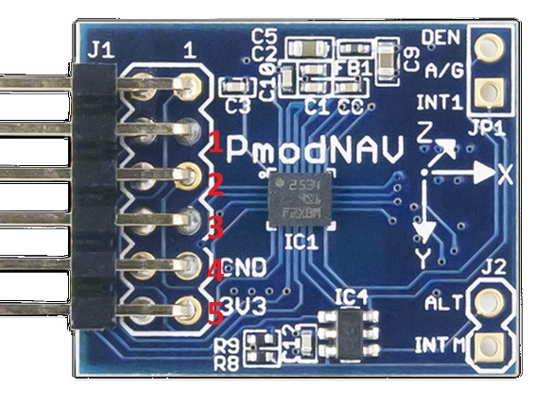
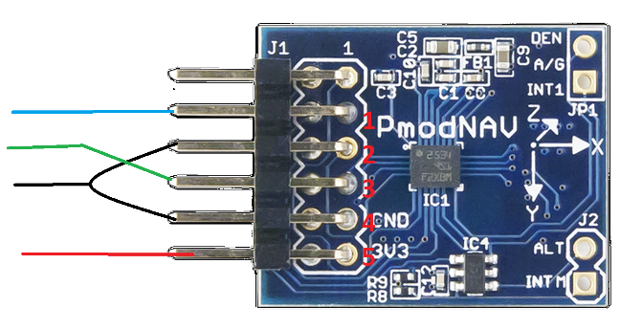
Wrist IMU |  |  |  |  | Arm IMU
PIN | 1st wire | 2nd wire | 3wire | arduino
1 | GREEN | BLACK | GREEN | Vin
3 | BLUE | WHITE | PURPLE | SCL
4 | PURPLE | RED | BLUE | GRND
5 | GREY | BLACK | GREEN | SDA

